MANAGERIAL LEADERSHIP
Generalidades
Título | MANAGERIAL LEADERSHIP, TRUTH-TELLING AND EFFICIENT COORDINATION
Autores | Jordi Brandts and David J. Cooper
Año | 2025
Journal / Working paper | The Economic Journal
Link (DOI) | https://doi.org/10.5281/zenodo.14933575

Resumen
This study examines how communication modes and managerial control influence efficient coordination between a manager and two agents with opposing interests and asymmetric information. The authors conduct experiments where they vary the type of communication (none, structured, or free-form chat), the form of control (managerial control versus delegation), and communication channels. The main findings show that combining managerial control with free-form chat significantly reduces lying by agents, facilitating more efficient coordination and higher overall surplus. Additionally, open and unstructured communication is crucial for truthful information transmission, leading to better decision-making outcomes.

Metodología del estudio original
Población/ Participantes | The experiment involved 567 undergraduate students divided into 189 groups of three participants each. Participants played the roles of a manager (M) and two agents (S1 and S2). Each participant was assigned a role for the entire session, with partner matching kept constant throughout.
Procedimiento del experimento | Number of Rounds - Participants played 18 rounds of the game, with the game state randomly determined at the start of each round. - The random determination of the game state was controlled via shared seeds for consistency. Experimental Conditions (Treatments) The treatments varied along two main dimensions: a) Type of communication: - No communication (baseline). - Structured communication (limited message options). - Free-form chat (unrestricted messaging). b) Control mechanism: - Delegation with no managerial input. - Delegation with advice from a manager. - Managerial control (manager directly chooses actions for agents). Treatments Summary - No communication with delegation (NC-D): Baseline where the manager does not intervene and agents do not communicate. - Structured communication with delegation (SC/S-D): Agents exchange limited, pre-specified messages before acting. - Managerial control (MC): Manager observes agents’ actions and messages but cannot commit to mechanisms; the manager directly determines actions based on limited info. Additional treatments: Some treatments include a combination of these features, such as structured communication with managerial advice. Communication Protocols - Structured communication: Limited to predefined messages (e.g., radio buttons corresponding to possible actions). Three rounds of messaging occur before action choices, allowing for preliminary coordination. - Free-form chat: Agents freely communicate via unrestricted text messages, mimicking natural conversation. Information Flow and Feedback After each round, participants received feedback about the game state and actions. In some treatments, managers could see if agents lied about the game state.

Variables medidas | The goal was to observe how different communication and control modes affect: 2. The frequency of truthful reporting. 3. The level of coordination on the efficient outcome. 4. Total surplus generated in the game.

Sistema de clasificación humana (gold standard) APPENDIX E
Tipo de clasificación | Coding was binary—a message line was coded as a 1 if it was deemed to contain the relevant category of content and 0 otherwise. We had no requirement on the number of codings for a message line—a coder could check as many or few categories as he or she deemed appropriate.
Número de categorías | 9
Definiciones de cada categoría | Nombre | Definición
1 | Make a suggestion about what row/column should be chosen. | Make a suggestion about what row/column should be chosen a. Suggest safe outcome b. Suggest efficient outcome
2 | Agree to proposal about what row/column should be chosen.
3 | Discussion about what row/column should be chosen. | Discuss need to coordinate ∗ | This requires more than making a suggestion that involves coordination. The message needs to indicate that the two players should be choosing the same thing (e.g. “We’ll do better if we make the same choices” is coded. “Let’s choose row 4 and column 4” is not coded.)
 |  | Discuss fairness ∗ | This category includes any message that discusses the distribution of pay over the three players.
4 | Discuss Efficiency: | This includes discussion of maximizing total pay as well as explaining how and why rotation between players works.
5 | Questions about rules of the experiment ∗ | This includes questions about either the rules of the experiment (e.g. “Do I choose a row or does [the manager] choose for me?”) or the game (e.g. “Is the third number my payoff?”).
6 | Explanation ∗ | This included explanations about the rules of the experiment or game, as well as explanations of a suggested way of playing the game.
7 | Questions about how to play ∗ | This was for conceptual questions rather than the frequent generic request that somebody suggest a row and column.
8 | (CH/A – D and CH – MC Only) M Asks What Game is Being Played.
9 | (CH/A – D and CH – MC Only) Agents Report What Game is Being Played. | a. Truthfully Reveal Game b. Lie About Game c. Conflict: This is used for cases where there was “fact-checking”. (e.g. “S1: It is Game 3.” “S2: No, it is Game 2.”) This category is different from the “Contradict” category reported in Table 6, which is a combination of 9a and 9b. This category is the basis for the discussion of fact-checking in the text.
Quién clasificó | Two research assistants then independently coded the content of all chat conversations. No effort was made to force agreement among coders. For several categories (marked with asterisks in Table 6 ), the initial two coders had a Cohen’s kappa of less than 0.5, indicating relatively low agreement. These categories were recoded by a third coder who was given extensive training in an attempt to improve the quality of the coding. The research assistants were not informed about any hypotheses the co-authors had about the messages. They were told that their job was to simply capture what had been said without concern to the possible effects of what had been said. A number of the categories also had sub-categories. For example, the coding scheme has a category for suggesting what actions should be chosen and sub-categories for specific suggestions (e.g., suggesting play of the efficient outcome). A coder was free to check whatever sub-categories they deemed appropriate when the corresponding category was checked off. Our analysis of the coding uses averages across coders unless otherwise noted.

Resultados principales
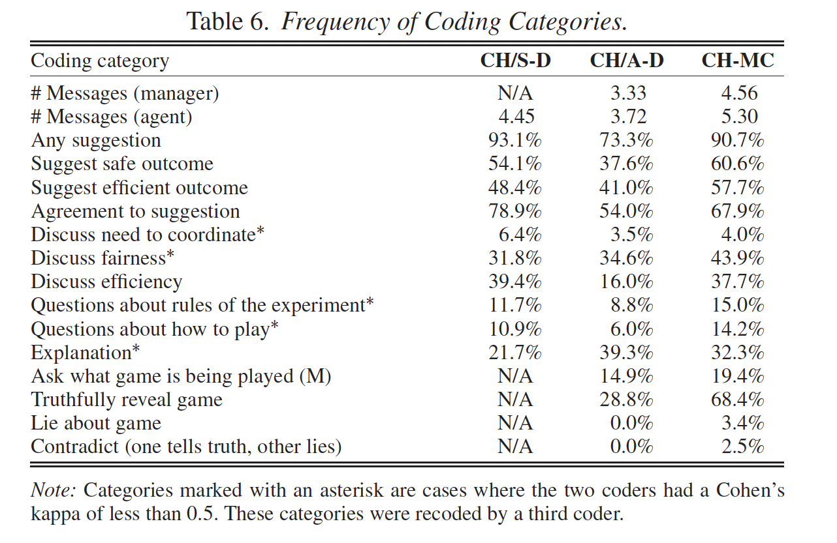 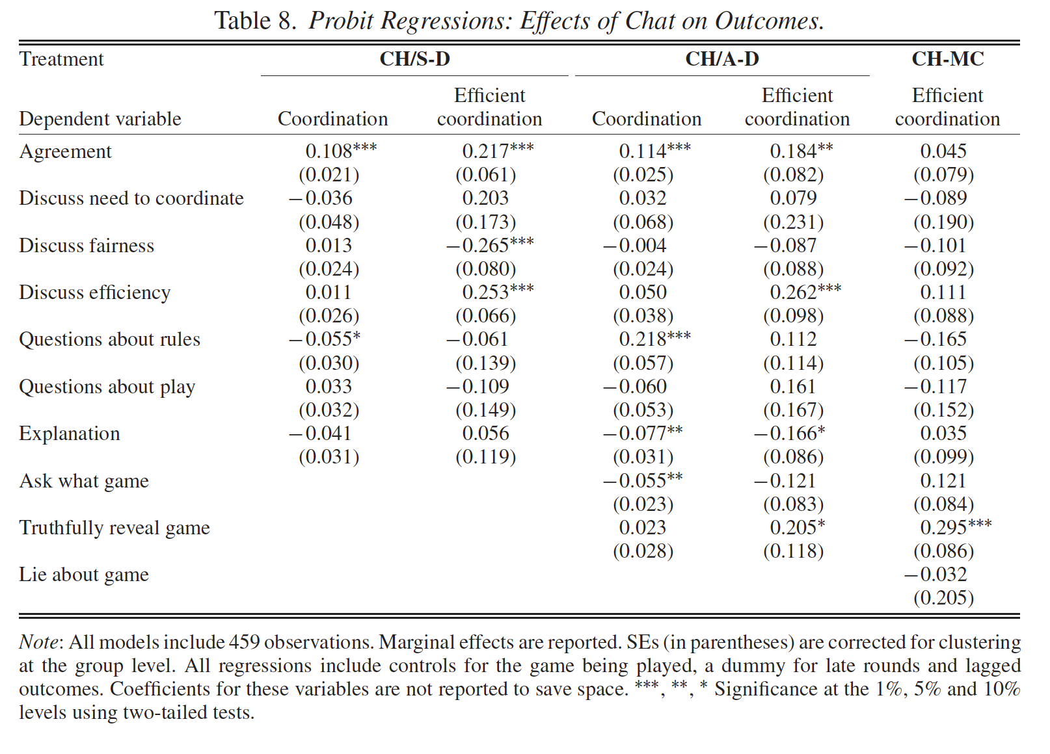 The research emphasizes that the mode of communication plays a vital role in promoting truthful information sharing and effective coordination. Free-form chat, characterized by its richness and flexibility, significantly encourages honesty among agents by allowing them to endogenous generate messages, subtly frame their intentions, and respond in real time, thereby reducing lying. This open communication environment fosters trust and group identity, making agents less likely to deceive, especially when combined with managerial control. Conversely, structured communication tends to be more limited in its ability to elicit truthful disclosures, as it constrains message content and reduces the potential for subtle signaling.

Strategic Environment
Generalidades
Título | Strategic Environment Effect and Communication
Autores | Ali OZKESy and Nobuyuki HANAKIz
Año | 2020
Journal / Working paper | Experimental Economics
Link (DOI) | https://doi.org/10.1007/s10683-022-09774-7

Resumen
This paper studies the interaction of strategic environment and communication effects on cooperation levels in two-person repeated games. It finds higher cooperation under strategic complementarity compared to substitution, but not due to differences in reciprocity. Communication significantly increases cooperation, eliminating the difference between strategic complements and substitutes. Experimental Results - The paper found that complementarity induces more cooperation compared to substitution, which is in line with previous findings . - Furthermore, communication boosts the levels of cooperation in both strategic environments. - The impact of the strategic environment on aggregate cooperation disappears when communication is allowed. Communication - Free-form communication has a larger impact on strategic interactions . - Current practices with regard to making sense of chat data coming from free-form communication in lab experiments include self-classification of messages, content analysis and classification coordination game . - The paper proposed the use of computerized techniques in analyzing experimental chat data in place of human labor . Conclusion - In the absence of communication, aggregate behavior is more cooperative under complementarity as opposed to substitution . - Communication boosts cooperation levels in both strategic environments, resulting in the degree of cooperation in two strategic environments becoming the same with communication . - The use of machine learning techniques can be promising for the content analysis of experimental chat data .

Metodología del estudio original
Población/ Participantes | The experiment included 174 subjects, paired in fixed pairs for the duration of the game. Recruitment: Subjects were recruited through subject pools organized by the researchers, with recruitment procedures designed to ensure diverse participation.
Procedimiento del experimento | Repeated Stage Game: The same game was played over 30 periods. Pairing: Participants were matched in fixed pairs for the entire session. Payoffs: In each period, participants chose actions, and payoffs were awarded based on the combination of choices according to the game's payoff matrix. 3. Communication Phase Timing: In treatments with communication, participants had one minute to chat voluntarily via an online chat box before making their decisions each period. Content Rules: Offensive language and identifying messages were prohibited; no restrictions on the content other than these. 4. Decision Phase Actions: Participants made their strategic choices for each period. Feedback: Past decisions and payoffs were visible at each period to facilitate learning and adaptation.

Variables medidas | .- Individual choices per period (numeric, constrained to one decimal point) - Degree of cooperation (ρkt): calculated based on pair actions relative to Nash equilibrium and joint profit maximization - Number of messages sent per participant per period - Chat message content: analyzed through topic modeling to identify prevalent topics and themes - Words used in chat messages: frequency and most common words - Message sentiment and tone: assessed via NLP techniques - Occurrence of full cooperation (whether pairs reached JPM level at least once) - Reciprocity in choices: extent to which one participant’s decision follows the partner’s previous decision

Sistema de clasificación humana (gold standard) APPENDIX E
Tipo de clasificación | Procedure We first look at the frequencies of the terms subjects used in their communication. Authors applied machine-assisted natural language processing techniques, particularly structural topic modeling (STM), to analyze the chat content. It explains that STM is an unsupervised method that reveals underlying topics based on word co-occurrences and allows the integration of metadata, such as the strategic environment and cooperation behavior. The metadata used in an STM estimation comes into play in recovering the probability distributions both over topics (topic prevalence) and words (topical content). Topical prevalence refers to how much of a document is associated with a topic. Topical content, on the other hand, refers to the words used in topics.
Número de categorías | 3
Definiciones de cada categoría | Nombre | Definición
1 | 26 the JPM choice on the payooff table | early | if both players in the pair choose 24 or higher for 7 or more times in the first 10 periods
 |  | eventual | d.l.c
2 | "met" (put" in English)
3 | mdr (acronym for mort de rire)
Quién clasificó | none

Resultados principales
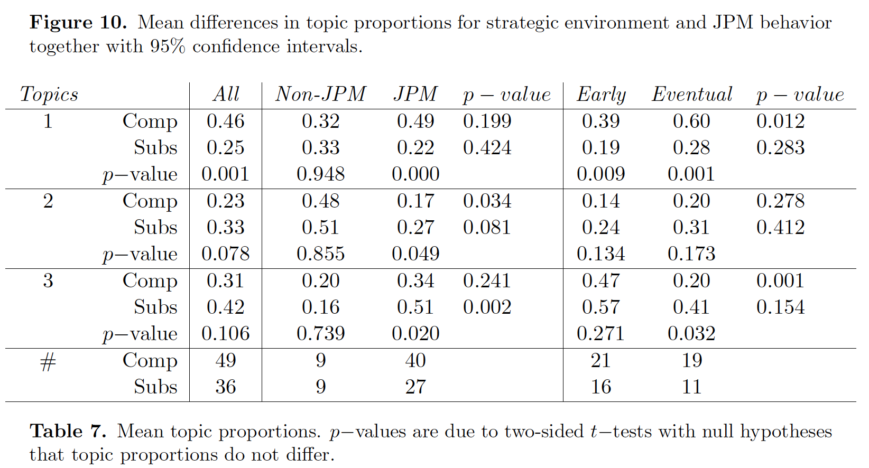 Impact of Communication: Communication significantly enhances cooperation overall. In complementarity environments, communication facilitates more gradual and sustained moves toward cooperation, often through consensus-building and discussion. In substitution environments, communication can lead to more abrupt jumps to cooperation or may have less effect on sustained cooperation levels , . Chat Content and Topics: Using structural topic models (STMs), the authors found that chat content varies with the strategic environment. In complementarity treatments, chat discussions tend to involve negotiations and gradual steps toward cooperation, reflecting a deliberative process. In substitution treatments, chat content is more varied, with some messages indicating abrupt decisions to cooperate or defect. Specific topics identified include references to payoffs, strategic moves, and social cues like laughter, which relate to cooperation dynamics , , . Message Patterns: Subjects sent more messages in substitution settings than in complementarity, especially in the latter half of the experiment. In environments where cooperation is easier to sustain, subjects tend to communicate less over time, possibly because they achieve cooperation faster or find communication less necessary . Content Analysis Findings: Certain words and topics are associated with cooperative or non-cooperative behavior. For instance, words related to payoffs and strategic decisions are central in discussions leading to cooperation, especially in complementarity environments. Chat-based classification reveals that gradual moves toward cooperation are more common in complementarity settings, while jumps or abrupt decisions are observed in substitution treatments .

